Form
priority | Tanggal | Jaringan | module | action | identity | pict | Issue | Negatif test | hasil yang di harapkan | Haisil existing | pass/fail | note tambahan
low | 17/01/2022 11:00:17 | luar | Link Navigasi | klik | Link Navigasi 1 |  | - | - |  | link masuk pada bagian page sesuai | pass
low | 18/01/2022 11:00:17 | luar | Call to Action | klik | Call to Action 1 |  | - | - |  | button berfingsi untuk pindah halaman | pass
low | 20/01/2022 11:35:33 | Luar | Call to Action | search | Call to Action search 2 | 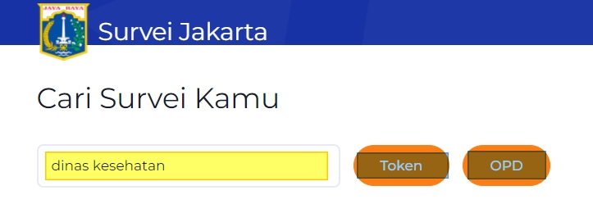 | search untuk token dan opd belum bisa | - |  | - | fail
low | 1/21/2022 | Luar | Call to Action | Klik | Call to Action Whatsapp 1.3 |  | - | - |  |  | pass
low | 20/01/2022 14:03:23 | Luar | Bullet Points | view | Bullet Points 1 |  | -jumlah belum sesuai | - |  | bisa digunakan | pass
low | 1/21/2022 | Luar | Call to Action | klik | Call to Action tutorial 1.2 |  | - | - |  | sekali klik download | pass
low | 1/21/2022 | Luar | Foother | Klik | Foother Social Sharing 1 | 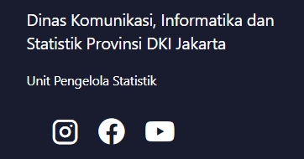 | - | - |  | sesuai akun medsos | pass
low | 1/21/2022 | Luar | Foother | Klik | Foother Trust Link 1.2 | 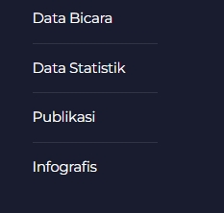 | - semua aksi menuju ke link statistik.jakarta.go.id |  |  |  | fail
low | 1/21/2022 | Luar | Foother | Klik | Foother Informasi Kontak 1.3 | 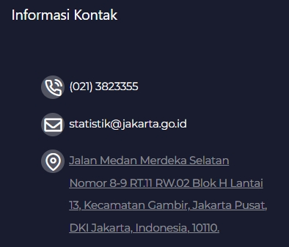 | - | - |  | gmaps notlp email sudah sesuai menuju link | pass
low | 1/21/2022 | Luar

identity
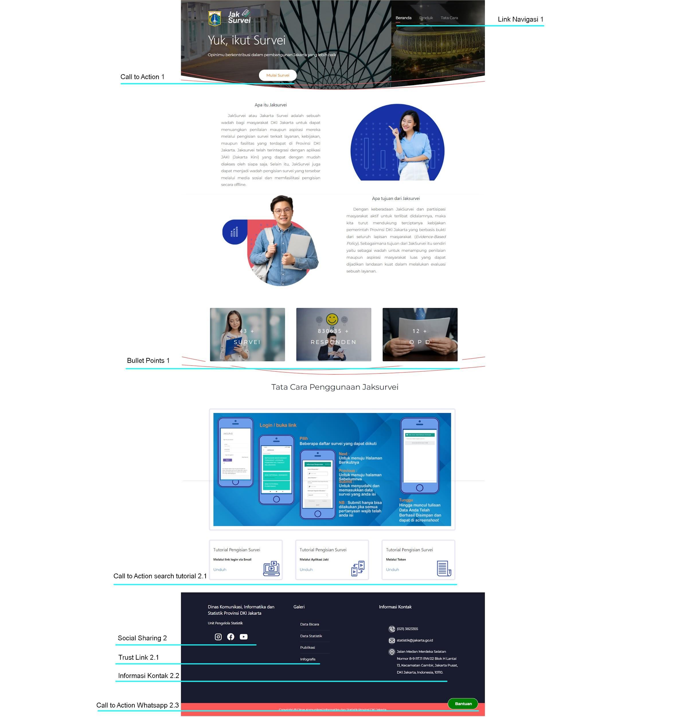
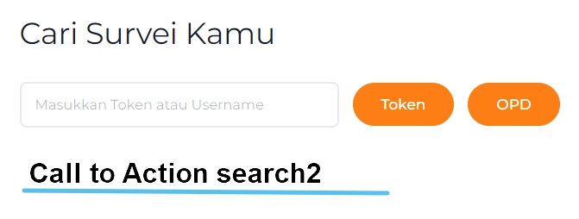
Tampilan landingpage

no | module | identity | ID | identity | ID | identity | ID | identity | ID
1 | Link Navigasi | Link Navigasi | 1
2 | Call to Action | Call to Action | 1 | Call to Action search | 2
 |  |  |  | Call to Action search tutorial | 2022-01-02
 |  | Call to Action tutorial | 2022-02-01
 |  | Call to Action Whatsapp | 2022-03-01
3 | Bullet Points | Bullet Points | 1
4 | Foother | Foother Social Sharing | 1
 |  | Foother Trust Link | 2022-02-01
 |  | Foother Social Kontak | 2022-03-01

UCD
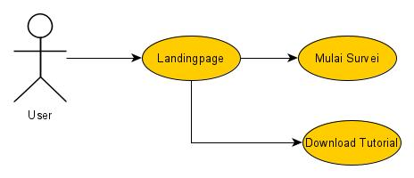
UCD Landingpage

Flowchart
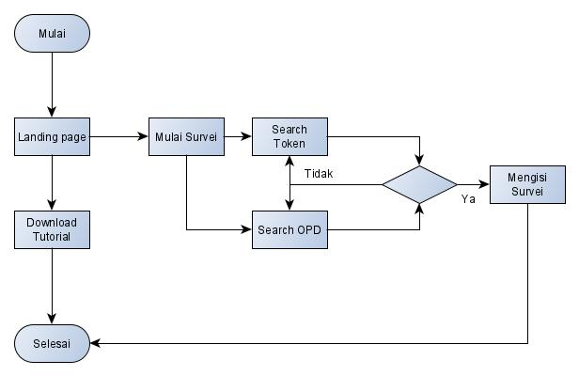
Flowchart Landingpage

